MAIN
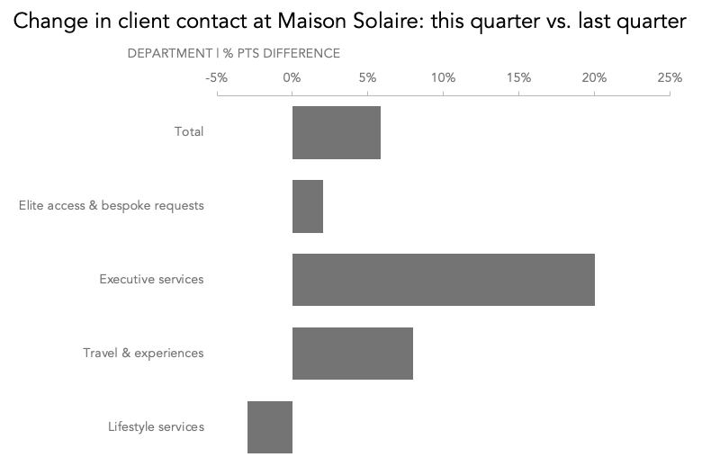
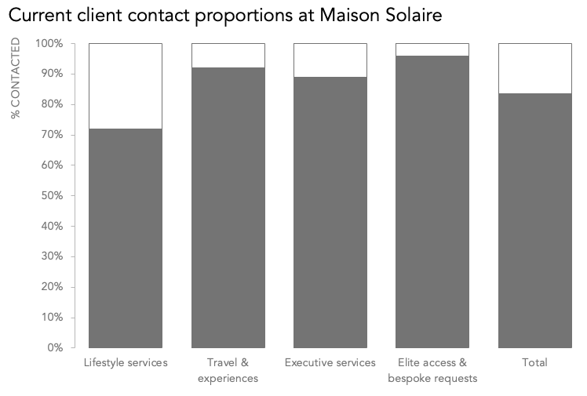
DATA TO GRAPH - CLIENT CONTACT %

CATEGORY | LAST QUARTER | THIS QUARTER
Lifestyle services | 75% | 72%
Travel & experiences | 84% | 92%
Executive services | 69% | 89%
Elite access & bespoke requests | 94% | 96%
Total | 78% | 84%

OPTION 1 - DOT PLOT
OPTION 2 - SLOPE GRAPH
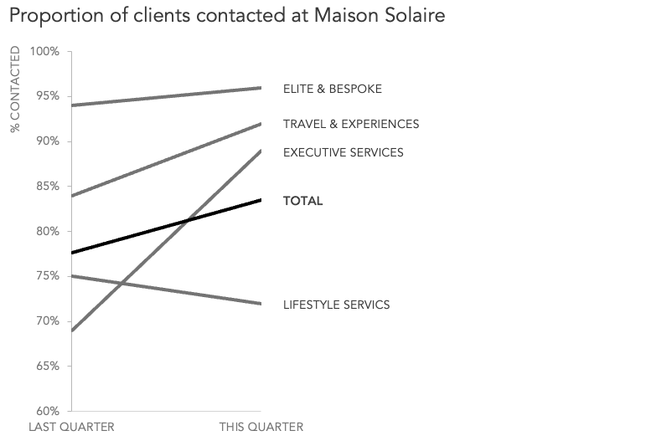
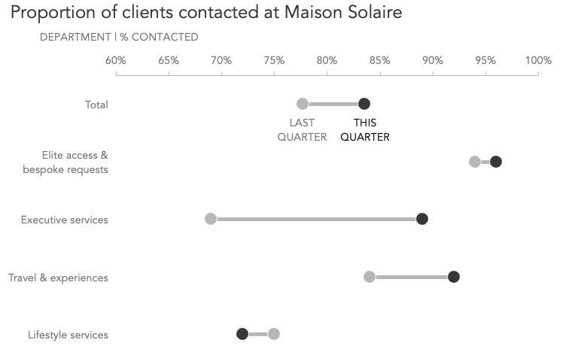

OPTION 3 - DIVERGING BAR CHART
OPTION 4 - 100% STACKED BAR CHART

OPTION 1 - DOT PLOT
DATA TO GRAPH - CLIENT CONTACT %

 | LAST QUARTER | THIS QUARTER | Y-AXIS | DIFFERENCE | LABELS
Lifestyle services | 75% | 72% | 1.50 | -3% | 0.6
Travel & experiences | 84% | 92% | 2.50 | 8% | 0.6
Executive services | 69% | 89% | 3.50 | 20% | 0.6
Elite access & bespoke requests | 94% | 96% | 4.50 | 2% | 0.6
Total | 78% | 84% | 5.50 | 6% | 0.6

GRAPH - OPTION 3 - DOT PLOT
Proportion of clients contacted at Maison Solaire
DEPARTMENT | % CONTACTED

LAST QUARTER
THIS QUARTER

OPTION 2 - SLOPE CHART
DATA TO GRAPH - CLIENT CONTACT %

 | LAST QUARTER | THIS QUARTER
Lifestyle services | 75% | 72%
Travel & experiences | 84% | 92%
Executive services | 69% | 89%
Elite access & bespoke requests | 94% | 96%
Total | 78% | 84%

GRAPH - OPTION 4 - SLOPE CHART
Proportion of clients contacted at Maison Solaire

% CONTACTED

ELITE & BESPOKE

TRAVEL & EXPERIENCES

EXECUTIVE SERVICES

TOTAL

LIFESTYLE SERVICS

OPTION 3 - DIVERGING BAR CHART
DATA TO GRAPH - CLIENT CONTACT %

 | LAST QUARTER | THIS QUARTER | DIFFERENCE
Lifestyle services | 75% | 72% | -3%
Travel & experiences | 84% | 92% | 8%
Executive services | 69% | 89% | 20%
Elite access & bespoke requests | 94% | 96% | 2%
Total | 78% | 84% | 6%

GRAPH - OPTION 5 - DIVERGING BAR CHART
Change in client contact at Maison Solaire: this quarter vs. last quarter

DEPARTMENT | % PTS DIFFERENCE

OPTION 4 - 100% STACKED BAR
DATA TO GRAPH - CLIENT CONTACT %

 | LAST QUARTER | THIS QUARTER | GAP
Lifestyle services | 75% | 72% | 28%
Travel & experiences | 84% | 92% | 8%
Executive services | 69% | 89% | 11%
Elite access & bespoke requests | 94% | 96% | 4%
Total | 78% | 84% | 16%

GRAPH - OPTION 6 - 100% STACKED BAR
Current client contact proportions at Maison Solaire

% CONTACTED

